How to Use
Due to the complexity of this document, it is necessary to provide a small set of instructions for ease of use. To help you along, we will have values already inputted as examples.

 | Cells of this color are places where information is supposed to be changed

As you can see, the green areas have our kingdom values in them.
The cell under Region Name header is where you will put the name of your kingdom. Here we have selected a generic name for our example.

The cell below the Pop. Den header is where you will input the number of people per square mile in your kingdom or polity. This number cannot be larger than the number of people fed per square mile. For this example we will select 45.

The cell below the Area header is where you will put the total area of your kingdom or polity in square miles. If you use metric, you will need to convert the measurement.

The drop-down menu below the People Fed Per Mi^2 header is where you will select the number of people who will be fed per square mile of cultivated land. Further information is provided in mouse-over tooltip located in the cell.

Using our selected values, the number of Arable/Settled land and Wilderness is calculated. Wilderness is simply defined as an area which is not currently being cultivated, and does not necessarily mean that it is howling wildreness. The number to the right of the image is the percentage of land in your region that you will need to designate as farmland. All of these numbers together will give us the values in the below image.

The number in the orange-colored cell is the maximum total population that this region is able to support, and this number is divided between the Isolated/Itinerant and the various Settlement Types. For more information on the Types of Settlements, Castle Types, Fortifications, Strategic Locations, and Educational Institutions see their mouse-over tooltips.

In order to understand where we will be able to place our various settlements, we need to use the Tiering Settlements Section, shown in the image to the right. In order to use, simply check the green box if that feature is present on the location where you want your settlement. The more boxes checked, the larger the settlement will be able to grow.

We now have two areas that we need to check if we are to progress any further, located in the Settlement Overview Section, and the Special Considerations for Settlements Section. Let's start with the Settlement Overview Section first.

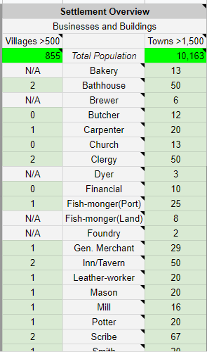
Since this section is so long, it will need to be cut off at the bottom. In the left green cell you will need to input the total population of a village, provided it is above 500 people. Inputting this value will give us the number and types of buisnesses present in the settlement. This number must be added to the number of buisnesses in the Village Subsection located in the Special Considerations for Settlements Section, which will be covered later.

In the right green cell, you will need to input the total population of a town or city, provided the population is above 1,500 people. Inputting this value will give us the number and types of buisnesses present in this settlement. Further information can be found in the mouseover tooltips located in certain cells.

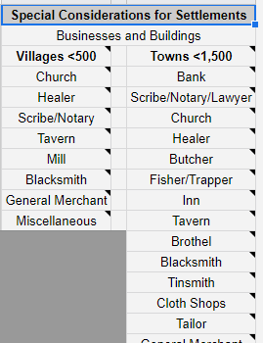
Since the Special Considerations for Settlements Section is so long, it is cut off in the same manner as the above image. This section gives you the general number and types of buisnesses present in villages less than 500 people and for towns less than 1,500 people. In order to properly use this section you will have to use the tooltips present in certain cells. As the population falls farther beyond the maximum number, buisnesses will need to be removed. There is no set way of doing this, so use your own judgement.

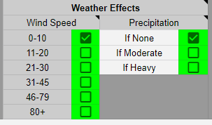 In the Overland Travel Sheet, the only thing you will need to change is in the green checkboxes. Checking a box changes the daily travel speed for all the variations in movement given. It is important to note that you only check one box per column. Doing otherwise will give you wrong numbers. If the current amount of precipitation is less than moderate, you need to check the None box.

The formulas in the experimental sheet are just that: experimental. There is no guarantee that they work, and it is recommended that you don't use them. In order to understand how they workd, it is recommended that you read the tooltips.

